Readme
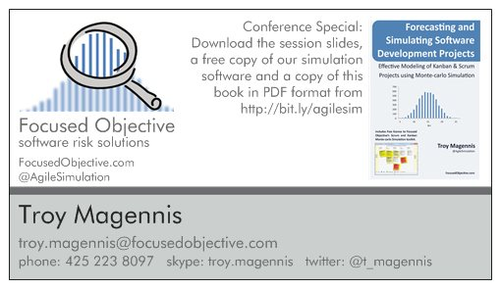
Cycle Time Adjustments
 | Version
What is this: This spreadsheet takes work item/story/defect cycle time dates or data and adjusts to include and exclude weekends.
Ideas, errors, requests? Email: troy.magennis@focusedobjective.com
Work licensed under a Creative Commons Attribution-NonCommercial-ShareAlike 4.0 International License.
Details here: http://creativecommons.org/licenses/by-nc-sa/4.0/ and
http://creativecommons.org/licenses/by-nc-sa/4.0/legalcode
Get more tools like this from: http://bit.ly/SimResources
About us: Focused Objective LLC offers tools, training and expert advice on metrics, risk and forecasting. We have more advanced tools to model Agile teams and projects that help analyze staffing options and risk, and a proven track record of positive results. We are always happy to discuss next steps and training opportunities should this tool prove useful. See our website: http://www.focusedobjective.com or email me at troy.magennis@focusedobjective.com.
 | 1.00 | Initial Version

Time Based Setup
Given the number of days, what is the chance it started on a given day, and how many weekend days should be removed?
What start days have no weekend days? What is the probability of starting each day?

Wow, this was harder than I anticipated. The goal is to remove weekends from cycle time samples. I look at the pronbability of work starting each day of the week, and then what percentage of days might fall onto a weekend (non-workday) day. When a cycle time of 1 to 6 days is specified, it is adjusted by the probabilities computed in C17 to H23.
 |  | Adjustment in days removed
Start This Day Probability |  | 1 | 2 | 3 | 4 | 5 | 6
20% | Monday | 0 | 0 | 0 | 0 | 0 | 1
20% | Tuesday | 0 | 0 | 0 | 0 | 1 | 2
20% | Wednesday | 0 | 0 | 0 | 1 | 2 | 2
20% | Thursday | 0 | 0 | 1 | 2 | 2 | 2
20% | Friday | 0 | 1 | 2 | 2 | 2 | 2
0% | Saturday | 1 | 2 | 2 | 2 | 2 | 2
0% | Sunday | 1 | 2 | 2 | 2 | 2 | 2

 | Adjustment | Probability
 |  | 1 | 2 | 3 | 4 | 5 | 6
 | 0 | 1 | 0.8 | 0.6 | 0.4 | 0.2 | 0
 | 1 | 0 | 0.2 | 0.2 | 0.2 | 0.2 | 0.2
 | 2 | 0 | 0 | 0.2 | 0.4 | 0.6 | 0.8 |  | probability | original | result
 |  | cumulative prob |  |  |  |  |  | test: | 0.9 | 3 | 2
 | 0 | 0 | 0 | 0 | 0 | 0 | 0
 | 1 | 1 | 0.8 | 0.6 | 0.4 | 0.2 | 0 |  |  |  | random
 | 2 | 1 | 1 | 0.8 | 0.6 | 0.4 | 0.2 |  |  |  | 1

